Module 19
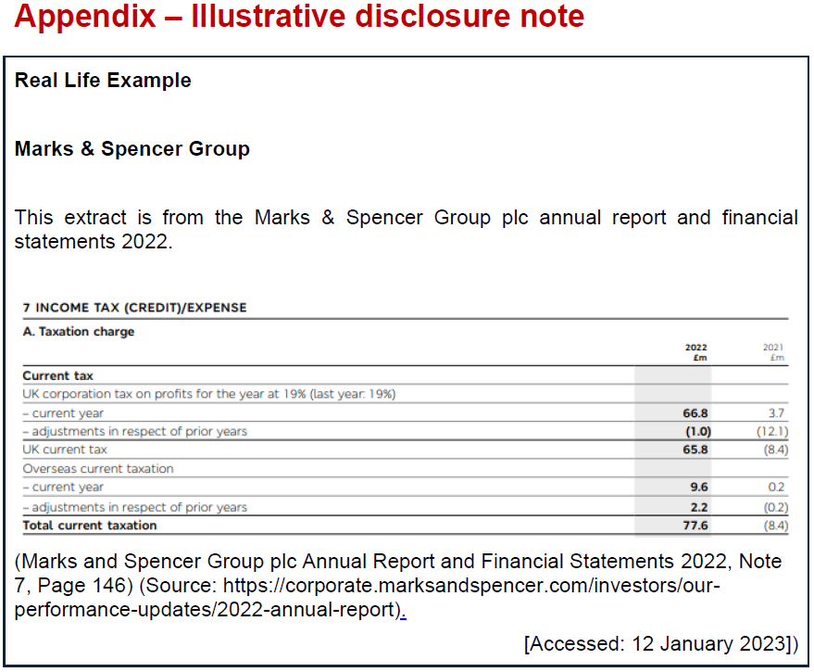
Main
 | Module 19 - Taxation: Current Tax

 | IAS 12
 | Ias 12 refes to corporation tax as corporate income tax or sometimes just income tax
 | current tax is not always the profits times the rates, although deferred tax will go some way to address this

 | the interest and any deferred tax element should not be posted to current tax SPL account
 | tax payable is an accounting estimate
 | tax benefit for a atx loss that can be carried back to a prior period is an asset

 | Use 19% as the tax rates unless stated otherwise in the question
 | Accounting period is always 12m

 | unpaid tax is a liab
 | overpaid tax is and asset
 | tax benefit which can be carried back to a prior period is a tax asset

 | adjustments to RE as a result of error or change in accounting policy
 | amount arising on the recognition of the equity component of a compoud instrument

 | assume all companies are on quarterly payment

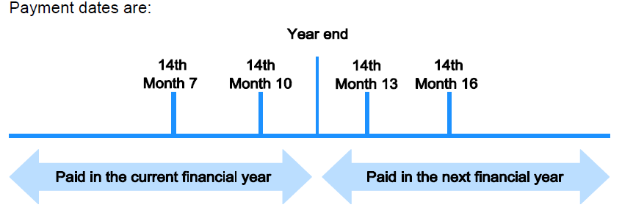

 | Castle Ltd

 | estimated CT liab |  |  | 3,000
 | paid | 2023-07-14 | 750
 |  | 2023-10-14 | 750

 | Dr - HMRC payment |  |  | 1,500
 |  | cr - RE |  |  | 1,500
 | being payment of each instalment on 14 July 2012 and on 14 October 2012

 | dr - HMRC |  |  | 1,500
 |  | cr - accrued tax expense |  |  | 1,500
 | being year-end accrual for third and fourth instalments combined

 | Castle Ltd
 | Statement of financial position (extracts)
 | 2022-12-31
 | current liab
 | current tac payable |  |  | 1,500

 | PBT |  |  | 9,200
 | taxation |  |  | (3,000)
 | PAT |  |  | 6,200

 | Estimate CT at year end
 | then the final tax expense when FS completed
 | then an under/over provision arises
 | as the tax return does not have to be filed until 12m after year end
 | the adjustment is made to the PY expence through the CY SPL
 | under - additional expense to tax
 | over - reduce the tax expene (CY SPL) by over prov'n amount
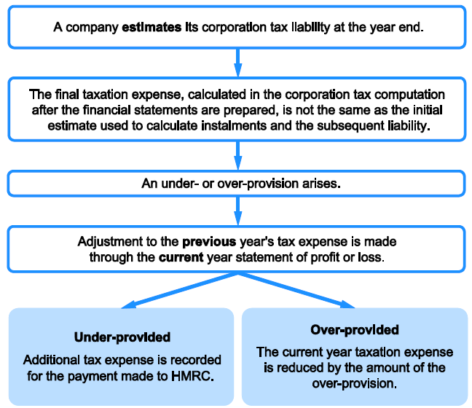

 | dr - SPL tax |  |  | 30
 |  | cr - tax provision |  |  | 30
 | being correction to under-provision for the year ended 31/12/2022

 | current tax payable |  | 2 | instalment
 |  |  | 2,000 | =+D118/4*4000

 | dr - SPL - taxation |  |  | 2,000
 |  | cr - current tax payable |  |  | 2,000
 | being year-end accrual for third and fourth instalments combined

 | carry back tax losses are and asset so are recognised as a current asset
 | and the income is put through tto SPL taxation

WSE19.3
Main
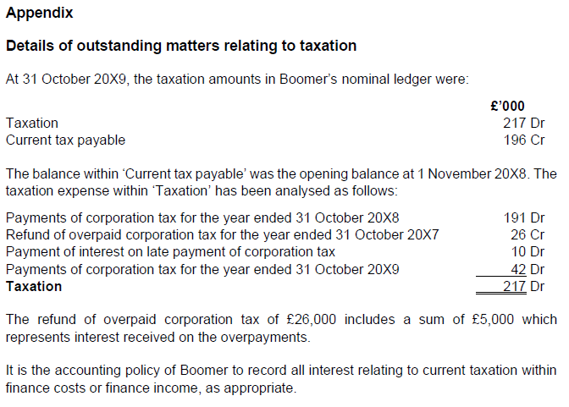

 | Boomers Cruises |  |  |  |  | Tax |  | current tax payable |  | SPL Finance
 | YE | 2019-10-31 |  |  |  | 217 | 191 | 191 | 196 | 10 | 5
 |  |  |  |  |  | 5 | 5 | 5
 | taxatioin | 217 |  |  |  |  | 10
 | current tax payable | 196 | dr
 | over-provisoin | 21 | cr

 | at year end

 | payments
 | 2018-10-31 | CT payment | 191 | dr
 | 2017-10-31 | refund | 21 | cr
 | 2019-10-31 | CT payment | 42 | dr
 |  |  | 212

 | 2017-10-31 | interest income | 5 | cr
 | interest | interest expense | 10 | dr
 |  |  | 5

 | dr - current tax payable |  |  | 191
 |  | cr - SPL - taxation |  |  | 191
 | being correction to payments of third and fourth instalments for the year ended 31/10/2018

 | dr - current tax payable |  |  | 5
 |  | cr - SPL Taxation |  |  | 5
 | beign release of overprovision for the year ended 31/10/2018

 | dr - SPL taxation |  |  | 5
 |  | cr -SPL finance incoem |  |  | 5
 | being correction to interest received on overpayments

 | dr - SPL finance costs |  |  | 10
 |  | cr -SPL taxation |  |  | 10
 | being correction to interest on late payment of corporation tax

WSE19.4
Main
 | Orchids and Roses
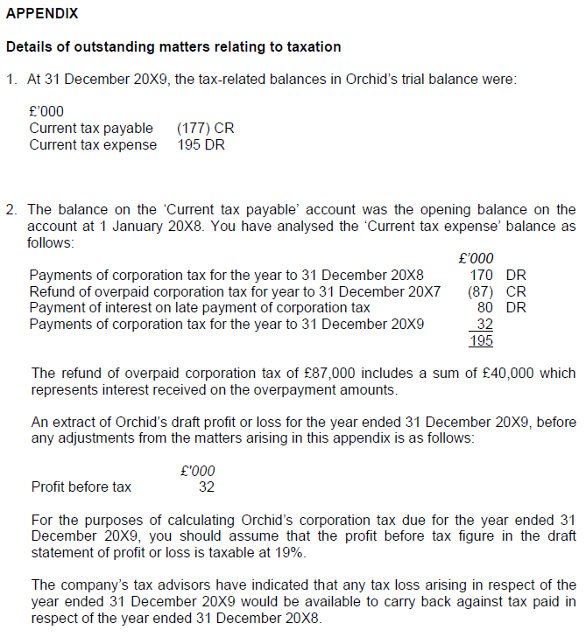

 | YE | 2019-12-31

 | taxatioin | 195 | dr
 | current tax payable | 177 | cr

 | payments
 | 2018-12-31 | CT payment | 170 | dr
 | 2018-12-31 | refund | 47 | cr
 | 2019-10-31 | CT payment | 80 | dr
 |  |  | 203

 | Amount paid in the year |  |  | 170
 | Opening creditor |  |  | 177
 | over - provision |  |  | 7

 | dr - current tax payables |  |  | 7
 |  | cr - current tax expense |  |  | 7
 | being release of overprovision of current tax expense for YE 31/10/2018

 | dr - current tax payable |  |  | 170
 |  | cr - current tax expense |  |  | 170
 | being correction to corporation tax paid for YE 31/10/2018

 | dr - finance cost |  |  | 80
 | dr - current tax expense |  |  | 40
 |  | cr - finance income |  |  | 40
 |  | cr - current tax expense |  |  | 80
 | being interest on corporation tax payment and receipt reallocate

 | Taxable profit / (loss)
 | PL profit |  |  | 32 | cr
 | JE3` |  |  | 40 | cr
 | JE 3 |  |  | 80 | dr

 |  |  |  | -8
 | CT |  |  | 0.19
 | Corporation tax refund due to loss carried back |  |  | -2

 | CT paid to account of £32 for YE 31/10/2019 shall also be refunded
 | total corporation tax receivable |  |  | 30

 | 2018-12-31 | interest income | 40 | cr
 | interest | interest expense | 32 | dr
 |  |  | -8

 | b/f balance |  | 177
 | PY |  | 170
 |  |  | 7

 | the CY payments go through PL

 | overpaid tax - the expected too much in PY

 | opening creditor |  | 177
 | paid out in the year |  | 170
 | over-provision |  | 7

 | dr - tax payable |  |  | 7
 |  | cr - SPL tax |  |  | 7
 | unwinde of PY provision

 | dr - current tax payable |  |  | 170
 |  | cr - current tax expense |  |  | 170
 | being correction to corporation tax paid for year ended 31/11/18

 | Payments of corporation tax for the year to 31 December 20X8 |  | 170
 | Refund of overpaid corporation tax for year to 31 December 20X7 |  | -47
 | Payments of corporation tax for the year to 31 December 20X9 |  | 32
 |  |  | 155

 | interest received on the overpayment amounts |  | -40
 | Payment of interest on late payment of corporation tax |  | 80

 | Finance
 | income |  | 40
 | expnse |  | 80
 | net interest expense |  | -40

 | dr - SPL finance expense |  |  | 80
 |  | cr - finance income |  |  | 40
 |  | cr - SPl tax |  |  | 40
 | being interest on corporation tax payment and receipt re-allocated

